Analyzed data
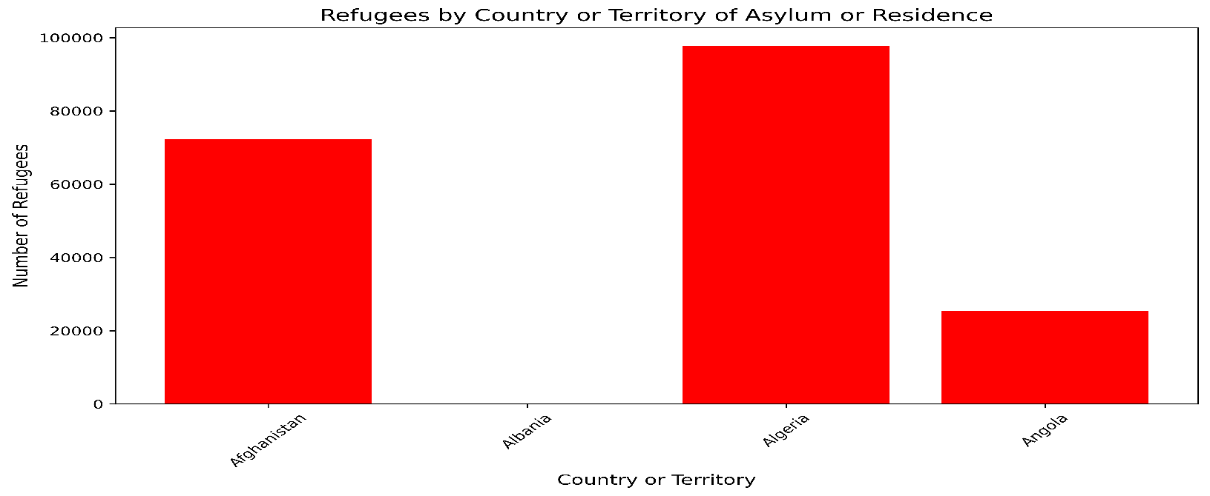
Refugees vs. Country or territory of asylum or residence
Refugees
Country or territory of asylum or residence** | Refugees** | ADD YOUR BAR CHART HERE |  | ADD YOUR PIE CHART HERE
Afghanistan | 72226
Albania | 107
Algeria | 97810
Angola | 25,360

 |  |  | ADD YOUR VISUALIZED DATA FROM JULIUS AI HERE

